ip规划 (正式)
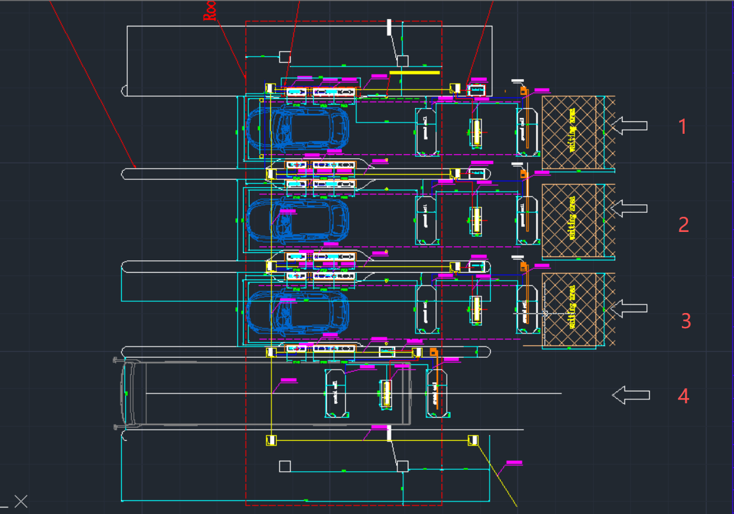
NO. | Device | IP | NOTE | Subnet Mask | Gateway | DNS | 备注"deviceName": | Root Name | Root Password | Website Name | Website Password | S/N
 | Platform（正式环境） | 10.10.33.144 |  | 255.255.252.0 | 10.10.36.5 | 172.16.29.27/28
 | Platform-Max（正式环境） | 10.10.34.98 |  | 255.255.252.0 | 10.10.36.5 |  |  | root/dpr-ri | DevOps123!@# | admin | Max@123456
Lane1 | S300-1 | 10.10.38.10 | site 1 | 255.255.252.0 | 10.10.36.5 |  |  |  |  | admin | Admin@123
 | UVIS | 10.10.38.11 |  | 255.255.252.0 | 10.10.36.5 |  |  |  |  | admin | maxvision123
 | UVIS-CCTV | 10.10.38.12 |  | 255.255.252.0 | 10.10.36.5 |  |  |  |  | admin | maxvision123
 | Spare | 10.10.38.13 |  | 255.255.252.0 | 10.10.36.5
Lane2 | S300-2 | 10.10.38.14 |  | 255.255.252.0 | 10.10.36.5 |  |  |  |  | admin | Admin@123
 | UVIS | 10.10.38.15 |  | 255.255.252.0 | 10.10.36.5 |  |  |  |  | admin | maxvision123
 | UVIS-CCTV | 10.10.38.16 |  | 255.255.252.0 | 10.10.36.5 |  |  |  |  | admin | maxvision123
 | Spare | 10.10.38.17 |  | 255.255.252.0 | 10.10.36.5
Lane3 | S300-3 | 10.10.38.18 |  | 255.255.252.0 | 10.10.36.5 |  |  |  |  | admin | Admin@123
 | UVIS | 10.10.38.19 |  | 255.255.252.0 | 10.10.36.5 |  |  |  |  | admin | maxvision123
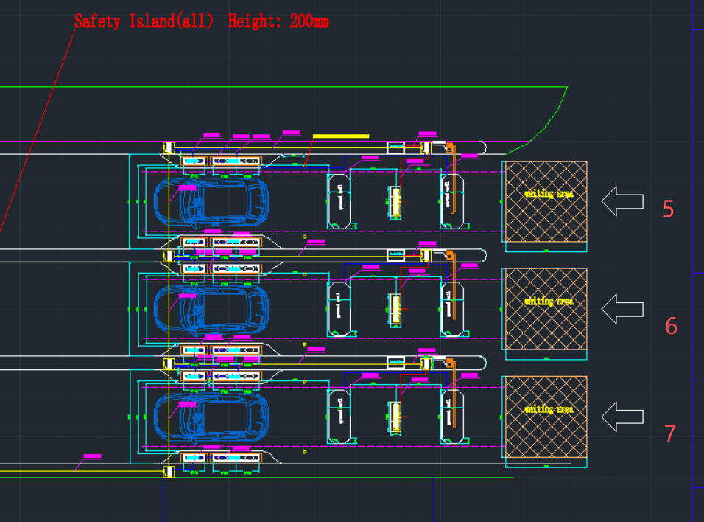
 | UVIS-CCTV | 10.10.38.20 |  | 255.255.252.0 | 10.10.36.5 |  |  |  |  | admin | maxvision123
 | Spare | 10.10.38.21 |  | 255.255.252.0 | 10.10.36.5
Lane4 | UVIS | 10.10.38.22 |  | 255.255.252.0 | 10.10.36.5 |  |  |  |  | admin | admin@123
 | UVIS-CCTV | 10.10.38.23 |  | 255.255.252.0 | 10.10.36.5 |  |  |  |  | admin | maxvision123
 | Spare | 10.10.38.24 |  | 255.255.252.0 | 10.10.36.5
Lane5 | S300-5 | 10.10.38.25 | site 2 | 255.255.252.0 | 10.10.36.5 |  |  |  |  | admin | Admin@123
 | UVIS | 10.10.38.26 |  | 255.255.252.0 | 10.10.36.5 |  |  |  |  | admin | maxvision123
 | UVIS-CCTV | 10.10.38.27 |  | 255.255.252.0 | 10.10.36.5 |  |  |  |  | admin | maxvision123
 | Spare | 10.10.38.28 |  | 255.255.252.0 | 10.10.36.5
Lane6 | S300-6 | 10.10.38.29 |  | 255.255.252.0 | 10.10.36.5 |  |  |  |  | admin | Admin@123
 | UVIS | 10.10.38.30 |  | 255.255.252.0 | 10.10.36.5 |  |  |  |  | admin | maxvision123
 | UVIS-CCTV | 10.10.38.31 |  | 255.255.252.0 | 10.10.36.5 |  |  |  |  | admin | maxvision123
 | Spare | 10.10.38.32 |  | 255.255.252.0 | 10.10.36.5
Lane7 | S300-7 | 10.10.38.33 |  | 255.255.252.0 | 10.10.36.5 |  |  |  |  | admin | Admin@123
 | UVIS | 10.10.38.34 |  | 255.255.252.0 | 10.10.36.5 |  |  |  |  | admin | maxvision123
 | UVIS-CCTV | 10.10.38.35 |  | 255.255.252.0 | 10.10.36.5 |  |  |  |  | admin | maxvision123
 | Spare | 10.10.38.36 |  | 255.255.252.0 | 10.10.36.5
X-ray(bus)
X-ray(car)

 | todesk远程 |  |  |  |  |  |  |  |  |  | Max@123456
 | anydesk（客户） |  |  |  |  |  |  |  |  | 1458353596 | Admin@123

